Sheet1
Date | 2021-03-21 | National Institute of Technology Goa | Roll Number | 20CSE1030
Time | 10:00-10:50 | ME100 - Engineering Mechanics Minor 2 Exam | Marks | 25

Q1 | Find the centroid for figure 1 from point 'O'. All dimension in 'mm' |  |  | 7 Marks
 | •Area of OAB : |  | 66564 | mm2
 | •X – Centroidal distance of OAB |  | 172 | mm
 | •Y – Centroidal distance of OAB |  | -86 | mm
 | •Area of OBCD |  | 177504 | mm2
 | •X- Centroidal distance of OBCD |  | 258 | mm
 | •Y – Centroidal distance of OBCD |  | 172 | mm
 | •Area of outer semi circle |  | 209116.9734 | mm2
 | •X- Centroidal distance of outer semi circle |  | 258 | mm
 | •Y – Centroidal distance of outer semi circle |  | 453.4986 | mm
 | •Area of inner circle |  | 23235.2193 | mm2
 | •X- Centroidal distance of inner circle |  | 258 | mm
 | •Y – Centroidal distance of inner circle |  | 344 | mm
 | •Centroid X : |  | 244.6856 | mm
 | •Centroid Y : |  | 259.6757 | mm

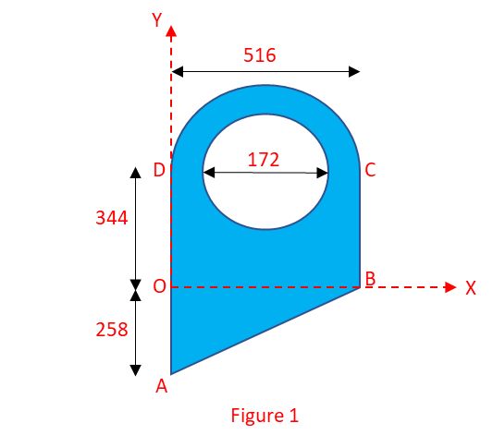

Q2 | Find the Moment of Inertia for figure 1 about X and Y axis |  |  | 7 Marks
 | •Ixx of OAB |  | 738461016 | mm4
 | •Iyy of OAB |  | 2953844064 | mm4
 | •Ixx of OBCD |  | 7001704448 | mm4
 | •Iyy of OBCD |  | 15571360900 | mm4
 | •Ixx of Outer Semi circle |  | 43250893860 | mm4
 | •Iyy of Outer Semi circle |  | 15659619990 | mm4
 | •Ixx of inner circle |  | -2792524832 | mm4
 | •Iyy of inner circle |  | -1589591058 | mm4
 | •Total Ixx |  | 48198534492 | mm4
 | •Total Iyy |  | 32595233896 | mm4

Q3 | The boat travels in a straight line with the acceleration described by the a-s graph as shown in figure 2. If it starts from rest, find the boats speed at s= 170 m. Also find the s' distance. |  |  | 3 Marks

 | Velocity at 170 m. |  | 41.6413 | m/s
 | Value of displacement s' |  | 191.264 | m

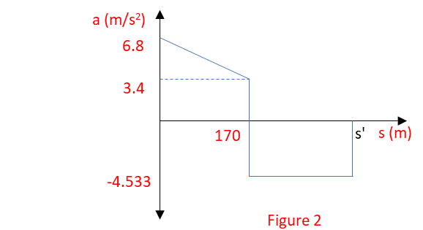

Q4 | A particle moves along the curve y=x-(x2/9801), where x and y are in ft. If the velocity component in the x direction is Vx = 9.9 ft/s and remains constant, determine the magnitudes of the velocity and acceleration when x=99 ft. |  |  | 3 Marks

 | Velocity in Y direction (Vy) |  | 9.7 | ft/s
 | Magnitude of Velocity (V) |  | 13.86 | ft/s
 | Acceleration in X direction (ax) |  | 0 | ft/s2
 | Acceleration in X direction (ay) |  | -0.02 | ft/s2
 | Magnitude of acceleration (a) |  | 0.02 | ft/s2

Q5 | The boat moves along a path defined by r2=[10(103)cos2θ] ft2, where θ is in radians. If θ=(0.4t2) rad, where t is in seconds, determine the radial and transverse components of the boat’s velocity and acceleration at the instant t = 1 sec. |  |  | 5 Marks

 | Velocity along radius (Vr) |  | -66.754335 | ft/s
 | Velocity along θ (Vθ) |  | 66.77512 | ft/s
 | Magnitude of total velocity (V) |  | 94.41958 | ft/s
 | Acceleration along radius (ar) |  | -68.72 | ft/s2
 | Acceleration along θ (aθ) |  | -40.031 | ft/s2
 | Magnitude of total acceleration (a) |  | 79.52977 | ft/s2

